Instructions
Instructions
Introduction and Purpose:
This SCSEM is used by the IRS Office of Safeguards to evaluate compliance with IRS Publication 1075 for agencies that have implemented a cloud
computing environment that receives, stores, processes or transmits Federal Tax Information (FTI). The first release of this SCSEM focuses on
the Software as a Service (SaaS) cloud service model. Future releases will include guidance for agencies implementing a Platform as a Service (PaaS),
and Infrastructure as a Service (IaaS) cloud service model.

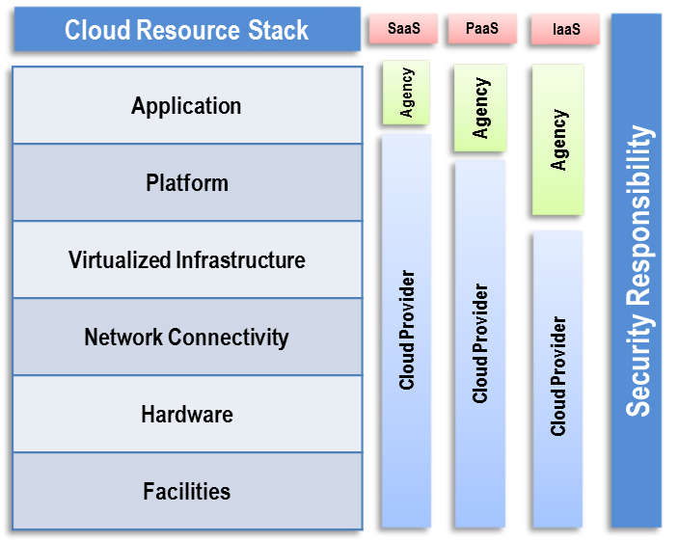
Security Responsibility
The service and deployment model used in a cloud computing environment
will determine the responsibility for security controls implementation between
the agency and the cloud provider for the protection of FTI that is stored or
processed cloud environment. The delineation of security control responsibility
is heavily dependent on the service and deployment models of the solution
the agency is adopting. For example, if the solution is a SaaS e-mail solution,
the agency may be responsible for a small subset of security control
responsibilities. If the agency is deploying their own applications to a PaaS
or IaaS solution, they will have greater responsibility for securing the
application layer, and potentially the platform and middleware; and may have
responsibilities in almost all of the Publication 1075 (NIST 800-53) control
families with the exception of possibly the personnel and physical security
requirements. Figure 1 is a notional illustration of the differences in scope
between the cloud consumer (agency) and cloud provider for each of the
service models discussed above.

NOTE: When executing this SCSEM, the applicable test cases will be determined based on the service and deployment model of
the agency's cloud environment.

Agencies should use this SCSEM to prepare for an upcoming Safeguards review. It is also an effective tool for agency use as part of internal periodic
security assessments or internal inspections to ensure continued compliance in the years when a Safeguards review is not scheduled. The agency
can also use the SCSEM to identify the types of policies and procedures required to ensure continued compliance with IRS Publication 1075.

This SCSEM was created for the IRS Office of Safeguards based on the following resources.
▪ IRS Publication 1075, Tax Information Security Guidelines for Federal, State and Local Agencies (Rev. 11-2021)
▪ NIST SP 800-53 Rev. 5, Recommended Security Controls for Federal Information Systems and Organizations
▪ IRS Safeguards Cloud Computing Security Technical Memo Revision 3/14/13 Draft
▪ Federal Risk and Authorization Management Program (FedRAMP) (http://www.gsa.gov/portal/category/102371)
▪ NIST SP 800-125, Guide to Security for Full Virtualization Technologies, January 2011
▪ NIST SP 800-145, The NIST Definition of Cloud Computing, September 2011
▪ NIST SP 800-146, Cloud Computing Synopsis and Recommendations, May 2012
▪ NIST SP 800-144, Guidelines on Security and Privacy in Public Cloud Computing
▪ Cloud Security Alliance, Security Guidance for Critical Areas of Focus in Cloud Computing v3.0, 11/14/2011

Test Cases Legend:
▪ Test ID | Pre-populated number to uniquely identify SCSEM test cases. The ID format includes the platform, platform version
 | and a unique number (01-XX) and can therefore be easily identified after the test has been executed.
▪ NIST ID | Mapping of test case requirements to one or more NIST SP 800-53 control identifiers for reporting purposes.
▪ NIST Control Name | Full name which describes the NIST ID.
▪ Test Method: | The test case is executed by Interview, Examine or Test methods in accordance with the test methodology specified
 | in NIST SP 800-53A. In test plans where SCAP testing is available, Automated and Manual indicators are added to
 | the Test method to indicate whether the test can be accomplished through the SCAP tool.
▪ Platform | If the SCSEM covers multiple platforms, this field will indicate applicability to all platforms or a specific platform.
 | If the test applies only to a specific platform, other platforms should result in a test status of "N/A".
▪ Test Objective | Description of specifically what the test is designed to accomplish. The objective should be a summary of the
 | test case and expected results.
▪ Test Procedures | A detailed description of the step-by-step instructions to be followed by the tester. The test procedures should be
 | executed using the applicable NIST 800-53A test method (Interview, Examine, Test).
▪ Expected Results | Provides a description of the acceptable conditions allowed as a result of the test procedure execution.
▪ Actual Results | The tester shall provide appropriate detail describing the outcome of the test. The tester is responsible for identifying
 | Interviewees and Evidence to validate the results in this field or the separate Notes/Evidence field.
▪ Status | The tester indicates the status for the test results (Pass, Fail, Info, N/A). "Pass" indicates that the expected results
 | were met. "Fail" indicates the expected results were not met. "Info" is temporary and indicates that the test execution
 | is not completed and additional information is required to determine a Pass/Fail status. "N/A" indicates that the
 | test subject is not capable of implementing the expected results and doing so does not impact security. The tester
 | must determine the appropriateness of the "N/A" status.
▪ Notes/Evidence | As determined appropriate to the tester or as required by the test method, procedures or expected results, the tester
 | may need to provide additional information pertaining to the test execution (Interviewee, Documentation, etc.)
▪ Reference (Ref.) | Reference to the authority which the test case was derived.
▪ Criticality | The risk category has been pre-populated next to each control based on Safeguard’s definition of control criticality and to assist agencies in establishing priorities for corrective action. The reviewer may recommend a change to the prioritization to the SRT Chief in order to accurately reflect the risk and the overall security posture based on environment specific testing.

